Sheet1
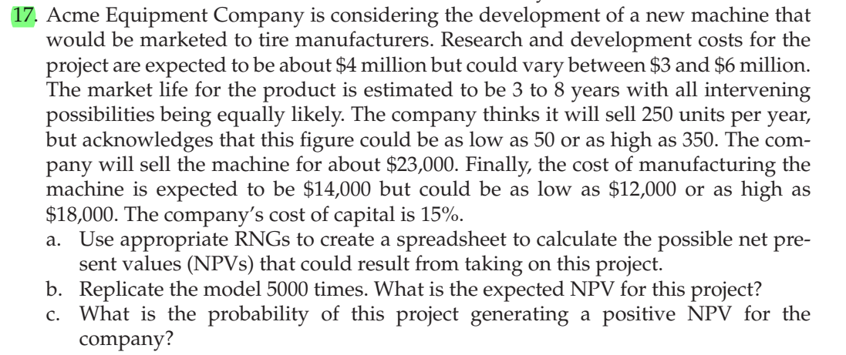
 |  | mIn | likely | max
R&D cost | $4,000,000 | $3,000,000 | $4,000,000 | $6,000,000

Market life | 3-8 years
 |  | min | likely | max
Sales unit | 250 | 50 | 250 | 350

sales price | $23,000
 |  | min | likely | max
Manufacturing cost | $14,000 | $12,000 | $14,000 | $18,000

Cost of capital | 15%

Years | Units sold | manufacturing cost | Cash inflow | cash outflow | netflow
0 | 0 | 0 | $- | $- | $(4,000,000)
1 | 0 | 0 | $- | $- | $-
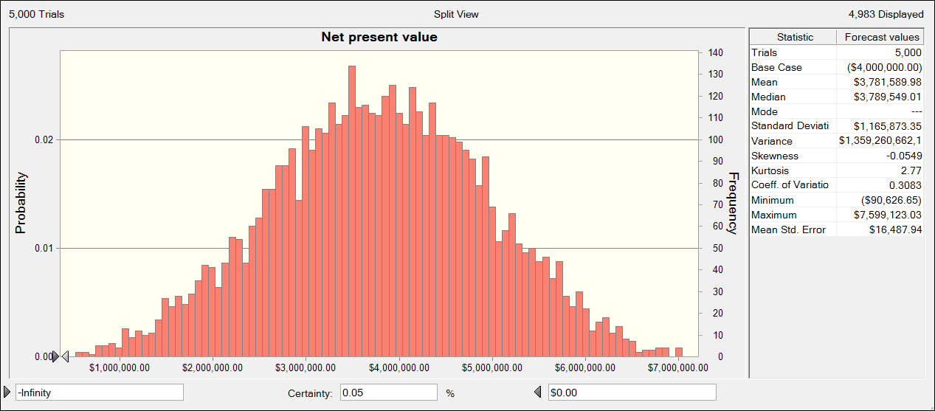
2 | 0 | 0 | $- | $- | $-
3 | 0 | 0 | $- | $- | $-
4 | 0 | 0 | $- | $- | $-
5 | 0 | 0 | $- | $- | $-
6 | 0 | 0 | $- | $- | $-
7 | 0 | 0 | $- | $- | $-
8 | 0 | 0 | $- | $- | $-

 | Net present value | ($4,000,000.00)

 |  |  |  |  |  | b) The expected NPV is $3781589

 |  |  |  |  |  |  | c) The probability of getting positive NPV is 100-0.05=99.95%

